N
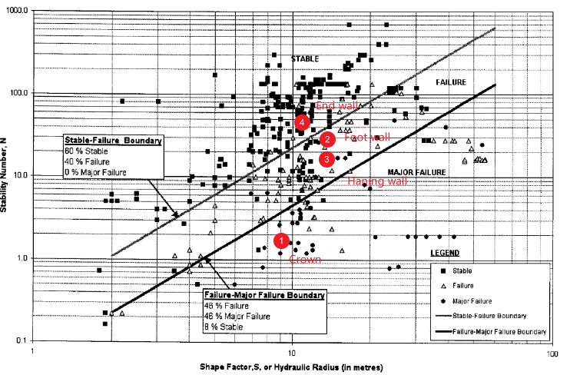
 | Q' | A | B | C | N
Crown | 60.5 | 0.1 | 0.3 | 1 | 1.815
Foot Wall | 60.5 | 0.15 | 0.4 | 8 | 29.04
Hanging Wall | 60.5 | 0.15 | 0.4 | 5.0416721678 | 18.301269969
End Wall | 60.5 | 0.1 | 1 | 8 | 48.4

 | Length | Width | HR
Crown | 45 | 30 | 9
Foot Wall | 80 | 45 | 14.4
Hanging Wall | 80 | 45 | 14.4
End Wall | 80 | 30 | 10.909090909

A
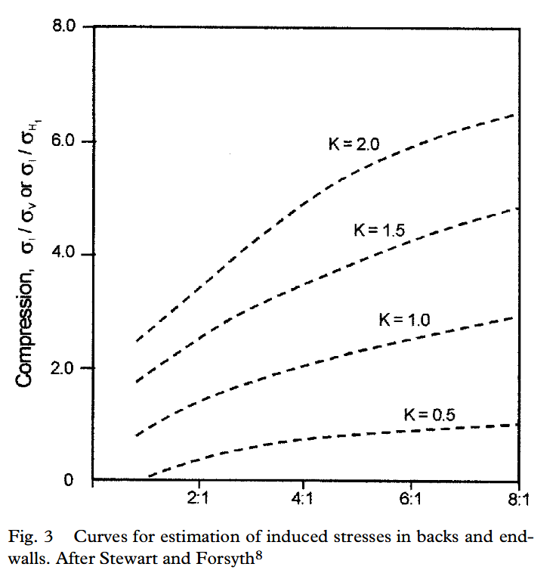
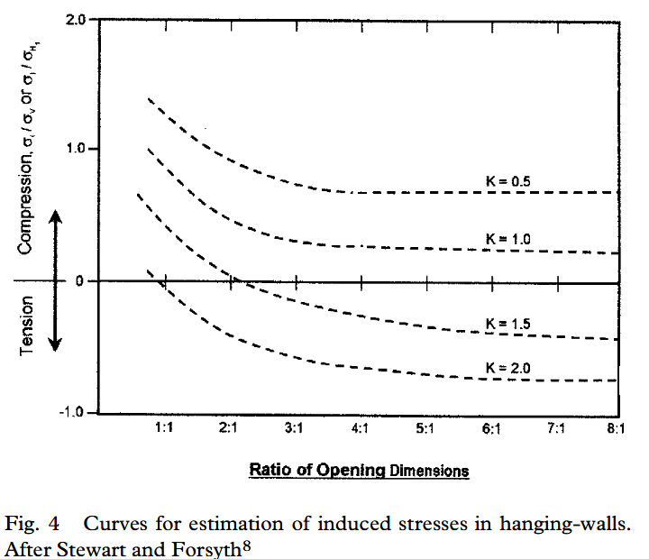
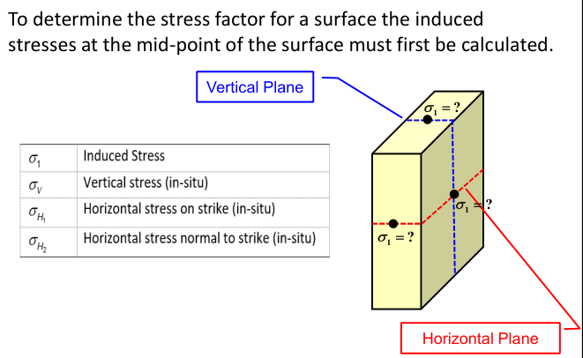
 | \sigma_v | \sigma_h1 | \sigma_h2 | K | Height | Span | Height/Span | \sigma_1/\sigma_v or \sigma_1/\sigma_h1 | \sigma_1 | \sigma_c/\sigma_1 | A
Crown (vertical plane) | 33.84 | 54.15 | 49.23 | 1.454787234 | 80 | 30 | 2.6666666667 | 2.7 | 91.368 | 1.0944750897 | 0.1
Hanging Wall Foot Wall (Vertical plane) | 33.84 | 54.15 | 49.23 | 1.454787234 | 80 | 30 | 2.6666666667 | -0.05 | 0 | >10 | 1
Hanging Wall Foot Wall (horizontal plane) | 33.84 | 54.15 | 49.23 | 0.90914127424 | 45 | 30 | 1.5 | 0.8 | 43.32 | 2.3084025854 | 0.15
End Wall (horizontal plane) | 33.84 | 54.15 | 49.23 | 0.90914127424 | 45 | 30 | 1.5 | 2 | 108.3 | 0.92336103416 | 0.1

B
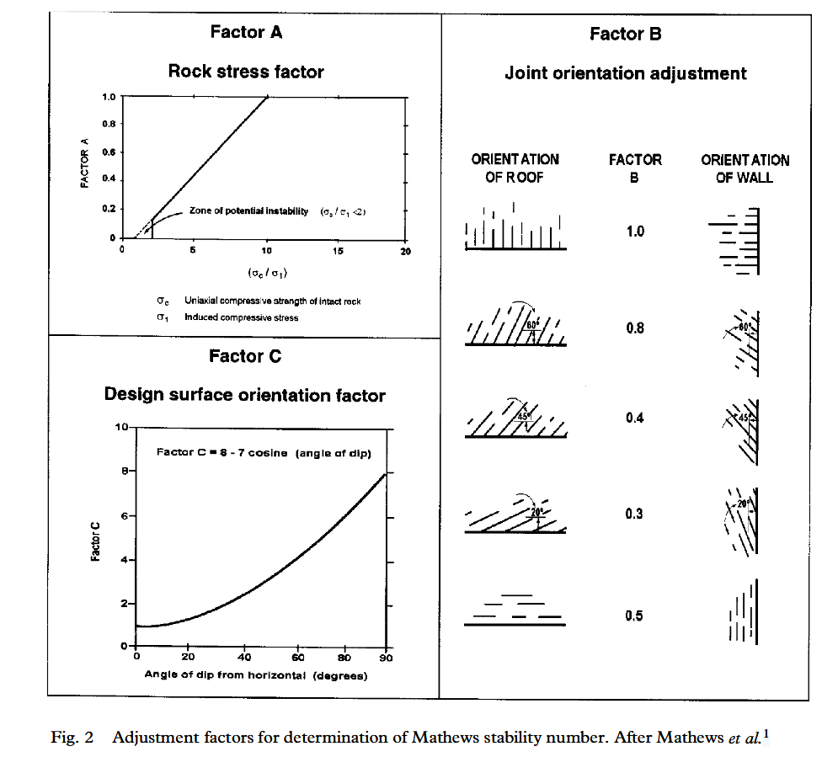
 | Orientation | Value of B
Crown | 20 | 0.3
Foot Wall | 45 | 0.4
Hanging Wall | 45 | 0.4
End Wall | 90 | 1

 | Orientation | Value of C
Crown | 0 | 1
Foot Wall | 65 | 8
Hanging Wall | 65 | 5.0416721678
End Wall | 90 | 8

C
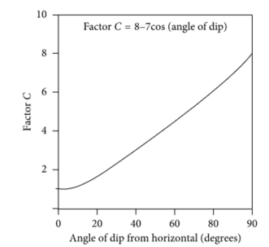
 | Orientation | Value of C
Crown | 0 | 1
Foot Wall | 65 | 8
Hanging Wall | 65 | 5.0416721678
End Wall | 90 | 8

